Calibration
Force Sensor Calibration Curve
3.3 [V]
Force [kg] | Resistance [kOhm]
0.5 | 230
1 | 100
2 | 70
3 | 60
4 | 45
5 | 40
7 | 35
9 | 30
11 | 26
13 | 24
15 | 20
17 | 18
20 | 17
22 | 16

MSP430
Vcc [V] | Load Min [kg] | Load Max [kg] | R [kOhm] | Vo max [V] | Vo min [V] | DeltaV | ADC min | ADC max | deltaADC
5 | 0.001 | 22 | 50 | 3.796 | 0.023 | 3.773 | 9 | 1553 | 1544 | Vr- = AVSS // Vr+ = REF
3.3 | 0.001 | 22 | 50 | 2.505 | 0.015 | 2.490 | 6 | 1025 | 1019
3.6 | 0.001 | 22 | 50 | 2.733 | 0.016 | 2.717 | 7 | 1118 | 1112

5 | 0.001 | 22 | 40 | 3.580 | 0.018 | 3.562 | 5 | 1017 | 1012 | Vr- = AVSS // Vr+ = AVCC
3.3 | 0.001 | 22 | 50 | 2.505 | 0.015 | 2.490 | 4 | 712 | 708
3.6 | 0.001 | 22 | 50 | 2.733 | 0.016 | 2.717 | 5 | 777 | 772

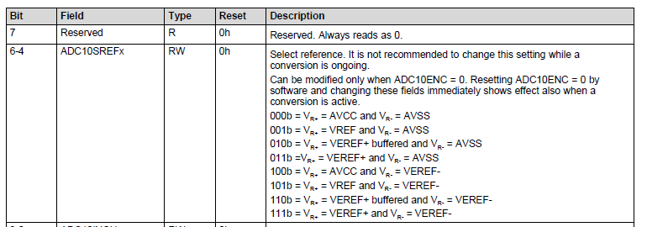
Vr- | AVSS | AVSS
 | 0 | 0
Vr+ | AVCC | REF
 | 3.6 | 2.5
 | (measured)

Need to select R to give largest range of Vo that ADC can accept for best resolution

Limitation to have 255 max value b/c 8 bits

Testing & Final Calibration
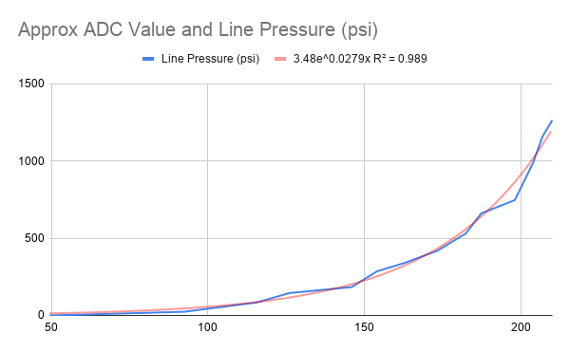
Force [kg] | Resistance [kOhm] | Voltage | Calibration curve Force [kg] | [lbs] | Line Pressure (psi) | Approx ADC Value |  | length
0 | 1000 | 0.00 | 0.00 | 0.00 | 0 | 0 | lever_long | 60 | mm | 0.06 | m | RATIO | 3.5294117647 | (torque multiplication)
0.5 | 230 | 0.64 | 0.37 | 0.81 | 24 | 49.5 | lever_short | 17 | mm | 0.017 | m
1 | 100 | 1.20 | 1.32 | 2.91 | 84 | 92.4
2 | 70 | 1.50 | 2.27 | 5.01 | 145 | 115.5 |  | diam |  | area
3 | 60 | 1.64 | 2.88 | 6.34 | 184 | 126 | piston_master | 10 | mm | 78.53981634 | mm2 | 7.853981634E-05 | m2 | 0.12173671533 | in2
4 | 45 | 1.89 | 4.47 | 9.85 | 286 | 145.89473684 | piston_caliper | 22 | mm | 380.13271108 | mm2 | 0.00038013271108 | m2 | 0.58920570218 | in2
5 | 40 | 2.00 | 5.35 | 11.79 | 342 | 154
7 | 35 | 2.12 | 6.56 | 14.47 | 419 | 163.05882353
9 | 30 | 2.25 | 8.31 | 18.31 | 531 | 173.25
Force Sensor Calibration Curve (PSI vs ADC)
11 | 26 | 2.37 | 10.34 | 22.79 | 661 | 182.36842105
13 | 24 | 2.43 | 11.68 | 25.76 | 747 | 187.2972973
15 | 20 | 2.57 | 15.44 | 34.04 | 987 | 198
17 | 18 | 2.65 | 18.14 | 39.99 | 1159 | 203.82352941
20 | 17 | 2.69 | 19.79 | 43.64 | 1265 | 206.86567164
22 | 16 | 2.73 | 21.72 | 47.88 | 1388 | 210

Force Sensor Calibration Curve (Spec Sheet F vs R)
 | Resistance [kOhm]
0.5 | 230
1 | 100
2 | 70
3 | 60
4 | 45
5 | 40
7 | 35
9 | 30
11 | 26
13 | 24
15 | 20
17 | 18
20 | 17
22 | 16
Force Sensor Calibration Curve (F vs ADC)

